Wärtsilä_2016..
https://cdn.wartsila.com/images/default-source/Sustainability/engine-fuel-efficiency-development.png?sfvrsn=2
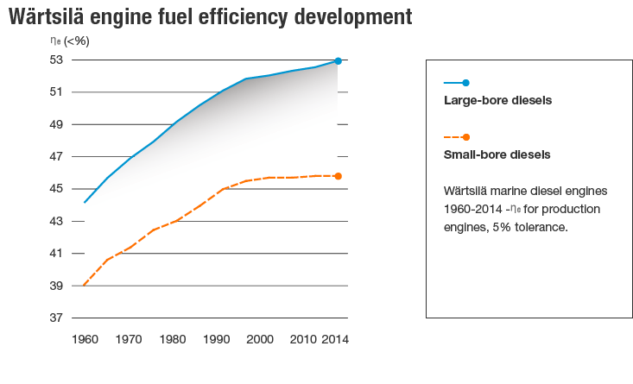

Year | Country | Machine | Efficiency [-] | Year | Country | Machine | Efficiency [-]
1960 | World | Small-bore diesel boat engine | 39.00% | 1960 | World | Large-bore diesel boat engine | 44.10%
1961 | World | Small-bore diesel boat engine | 39.30% | 1961 | World | Large-bore diesel boat engine | 44.40%
1962 | World | Small-bore diesel boat engine | 39.70% | 1962 | World | Large-bore diesel boat engine | 44.70%
1963 | World | Small-bore diesel boat engine | 40.00% | 1963 | World | Large-bore diesel boat engine | 45.00%
1964 | World | Small-bore diesel boat engine | 40.30% | 1964 | World | Large-bore diesel boat engine | 45.30%
1965 | World | Small-bore diesel boat engine | 40.60% | 1965 | World | Large-bore diesel boat engine | 45.60%
1966 | World | Small-bore diesel boat engine | 40.80% | 1966 | World | Large-bore diesel boat engine | 45.90%
1967 | World | Small-bore diesel boat engine | 40.90% | 1967 | World | Large-bore diesel boat engine | 46.10%
1968 | World | Small-bore diesel boat engine | 41.10% | 1968 | World | Large-bore diesel boat engine | 46.40%
1969 | World | Small-bore diesel boat engine | 41.20% | 1969 | World | Large-bore diesel boat engine | 46.70%
1970 | World | Small-bore diesel boat engine | 41.40% | 1970 | World | Large-bore diesel boat engine | 47.00%
1971 | World | Small-bore diesel boat engine | 41.60% | 1971 | World | Large-bore diesel boat engine | 47.10%
1972 | World | Small-bore diesel boat engine | 41.80% | 1972 | World | Large-bore diesel boat engine | 47.30%
1973 | World | Small-bore diesel boat engine | 42.10% | 1973 | World | Large-bore diesel boat engine | 47.50%
1974 | World | Small-bore diesel boat engine | 42.30% | 1974 | World | Large-bore diesel boat engine | 47.70%
1975 | World | Small-bore diesel boat engine | 42.50% | 1975 | World | Large-bore diesel boat engine | 47.90%
1976 | World | Small-bore diesel boat engine | 42.60% | 1976 | World | Large-bore diesel boat engine | 48.20%
1977 | World | Small-bore diesel boat engine | 42.70% | 1977 | World | Large-bore diesel boat engine | 48.40%
1978 | World | Small-bore diesel boat engine | 42.80% | 1978 | World | Large-bore diesel boat engine | 48.70%
1979 | World | Small-bore diesel boat engine | 43.00% | 1979 | World | Large-bore diesel boat engine | 49.00%
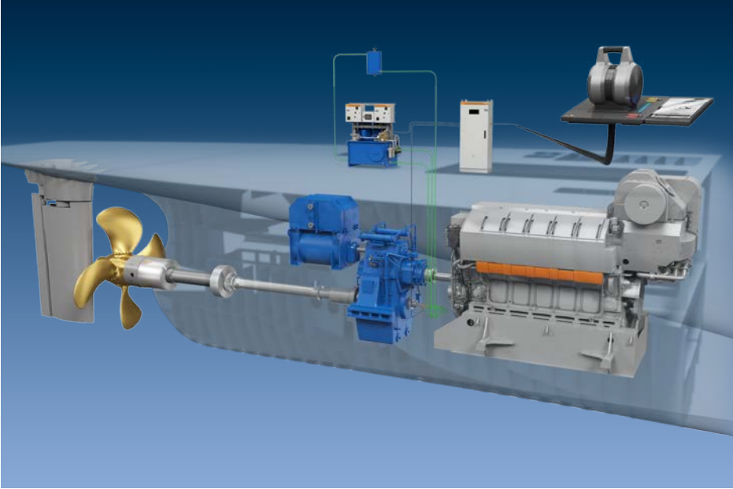
1980 | World | Small-bore diesel boat engine | 43.10% | 1980 | World | Large-bore diesel boat engine | 49.20%
1981 | World | Small-bore diesel boat engine | 43.30% | 1981 | World | Large-bore diesel boat engine | 49.40%
1982 | World | Small-bore diesel boat engine | 43.50% | 1982 | World | Large-bore diesel boat engine | 49.60%
1983 | World | Small-bore diesel boat engine | 43.60% | 1983 | World | Large-bore diesel boat engine | 49.80%
1984 | World | Small-bore diesel boat engine | 43.80% | 1984 | World | Large-bore diesel boat engine | 50.00%
1985 | World | Small-bore diesel boat engine | 44.00% | 1985 | World | Large-bore diesel boat engine | 50.20%
1986 | World | Small-bore diesel boat engine | 44.20% | 1986 | World | Large-bore diesel boat engine | 50.40%
1987 | World | Small-bore diesel boat engine | 44.40% | 1987 | World | Large-bore diesel boat engine | 50.60%
1988 | World | Small-bore diesel boat engine | 44.70% | 1988 | World | Large-bore diesel boat engine | 50.70%
1989 | World | Small-bore diesel boat engine | 44.90% | 1989 | World | Large-bore diesel boat engine | 50.90%
1990 | World | Small-bore diesel boat engine | 45.00% | 1990 | World | Large-bore diesel boat engine | 51.10%
1991 | World | Small-bore diesel boat engine | 45.10% | 1991 | World | Large-bore diesel boat engine | 51.30%
1992 | World | Small-bore diesel boat engine | 45.20% | 1992 | World | Large-bore diesel boat engine | 51.40%
1993 | World | Small-bore diesel boat engine | 45.30% | 1993 | World | Large-bore diesel boat engine | 51.60%
1994 | World | Small-bore diesel boat engine | 45.30% | 1994 | World | Large-bore diesel boat engine | 51.70%
1995 | World | Small-bore diesel boat engine | 45.40% | 1995 | World | Large-bore diesel boat engine | 51.80%
1996 | World | Small-bore diesel boat engine | 45.50% | 1996 | World | Large-bore diesel boat engine | 51.90%
1997 | World | Small-bore diesel boat engine | 45.60% | 1997 | World | Large-bore diesel boat engine | 51.90%
1998 | World | Small-bore diesel boat engine | 45.60% | 1998 | World | Large-bore diesel boat engine | 52.00%
1999 | World | Small-bore diesel boat engine | 45.70% | 1999 | World | Large-bore diesel boat engine | 52.00%
2000 | World | Small-bore diesel boat engine | 45.80% | 2000 | World | Large-bore diesel boat engine | 52.10%
2001 | World | Small-bore diesel boat engine | 45.80% | 2001 | World | Large-bore diesel boat engine | 52.20%
2002 | World | Small-bore diesel boat engine | 45.80% | 2002 | World | Large-bore diesel boat engine | 52.30%
2003 | World | Small-bore diesel boat engine | 45.80% | 2003 | World | Large-bore diesel boat engine | 52.40%
2004 | World | Small-bore diesel boat engine | 45.80% | 2004 | World | Large-bore diesel boat engine | 52.40%
2005 | World | Small-bore diesel boat engine | 45.80% | 2005 | World | Large-bore diesel boat engine | 52.50%
2006 | World | Small-bore diesel boat engine | 45.80% | 2006 | World | Large-bore diesel boat engine | 52.50%
2007 | World | Small-bore diesel boat engine | 45.80% | 2007 | World | Large-bore diesel boat engine | 52.50%
2008 | World | Small-bore diesel boat engine | 45.80% | 2008 | World | Large-bore diesel boat engine | 52.50%
2009 | World | Small-bore diesel boat engine | 45.80% | 2009 | World | Large-bore diesel boat engine | 52.50%
2010 | World | Small-bore diesel boat engine | 45.90% | 2010 | World | Large-bore diesel boat engine | 52.60%
2011 | World | Small-bore diesel boat engine | 45.90% | 2011 | World | Large-bore diesel boat engine | 52.70%
2012 | World | Small-bore diesel boat engine | 45.90% | 2012 | World | Large-bore diesel boat engine | 52.80%
2013 | World | Small-bore diesel boat engine | 45.90% | 2013 | World | Large-bore diesel boat engine | 52.90%
2014 | World | Small-bore diesel boat engine | 45.90% | 2014 | World | Large-bore diesel boat engine | 52.90%

Szczepanek_2015
Szczepanek (2015) - Factors affecting the energy efficiency of fishing vessels
https://repository.am.szczecin.pl/handle/123456789/762

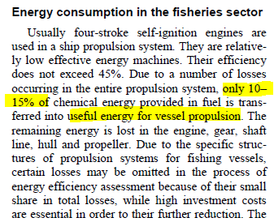
Year | Country | Machine | Efficiency [-] |  | Metric | Value [-]
2015 | POL | Fishing boat engine | 45.00% |  | Engine to propellor loss | 32.50%
2015 | POL | Fishing boat | 12.50%

 |  |  |  | l

Wilson_1999
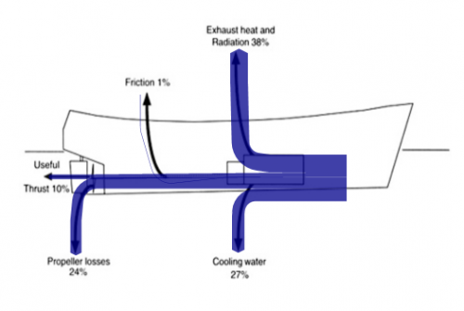
Wilson (1999) - Fuel and financial savings for operators of small fishing vessels
http://www.fao.org/3/x0487e/x0487e00.htm

Year | Country | Efficiency [-]
1999 | MOZ | 10.00%

Maru_1998
Fukae Maru (1998) - Main engine replacement plan for gas turbine
http://www.eng.maritime.kobe-u.ac.jp/~diesel/abstract/turbine/1998-2/

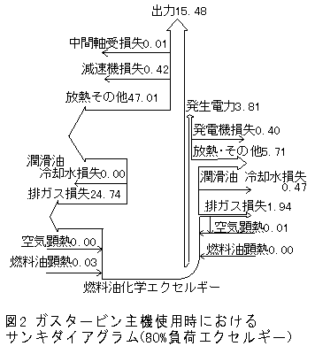
Year | Country | Machine | Efficiency [-]
1998 | JPN | Gas turbine boat engine | 15.48% | Gas turbine engine
1998 | JPN | Diesel boat engine | 37.38%

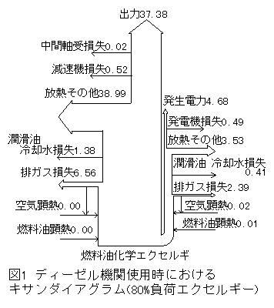
 |  |  |  | Diesel engine

Thomas_2009
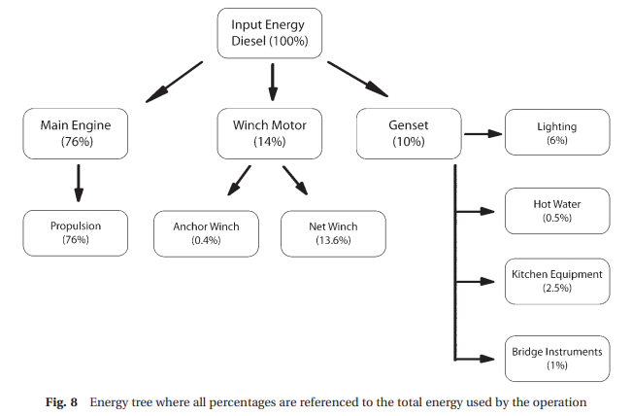
Thomas et al (2009) - Energy audit of fishing vessels
https://doi.org/10.1243%2F14750902JEME186

Muir_2015
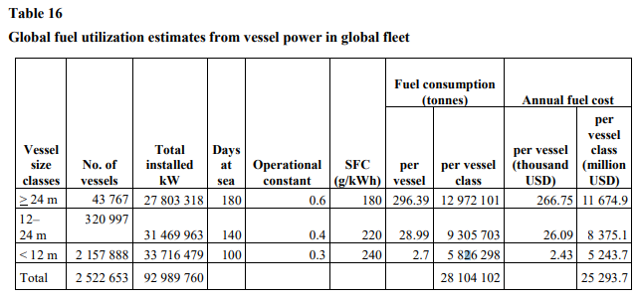
Muir (2015) - FAO Fuel and Energy Use in the Fisheries Sector Approaches, inventories and strategic implications
http://www.fao.org/3/i5092e/i5092e.pdf

MAN_2009
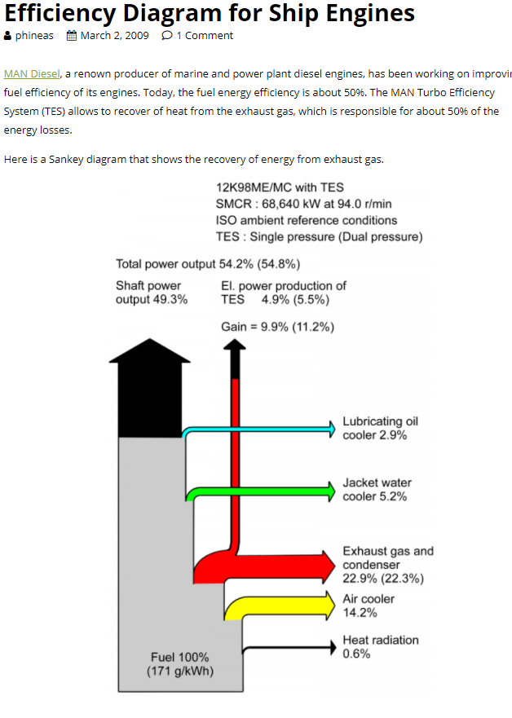
https://www.sankey-diagrams.com/tag/ship/

Wärtsilä_2021..
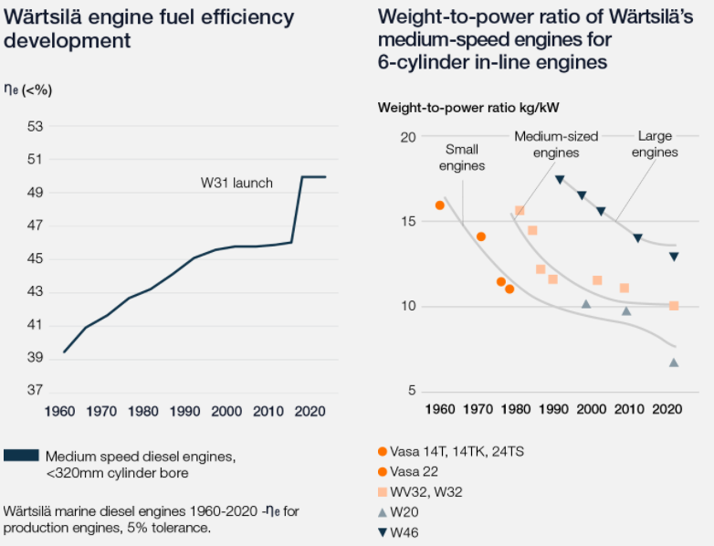
https://www.wartsila.com/sustainability/innovating-for-sustainability/improving-efficiency

